Daily Power Station Chart_14-01
Plant_14/07/2025Chart

Plant:odco1 |  |  | Installed Capacity:111.180kWp
Today Yield(kWh):553.100kWh |  | Today Earning:221240.000TND |  | Today Full Load Hours(h):4.97h

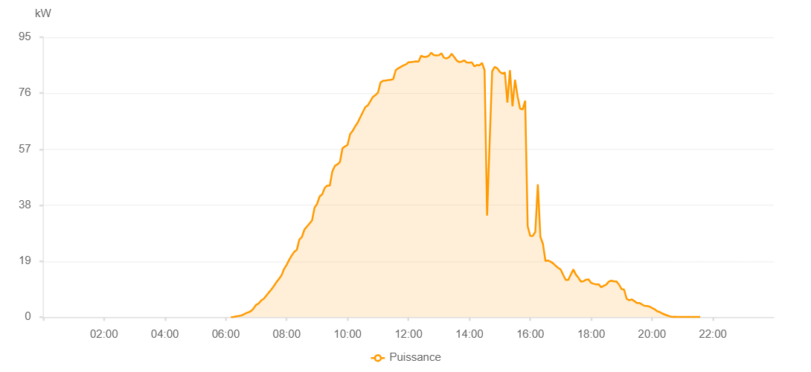

Number | Time | Working State | PV(W) | Instantaneous Radiation(W/㎡)
1 | 06:10:00 | Online | 20.00000 | 0
2 | 06:15:00 | Online | 30.00000 | 0
3 | 06:20:00 | Online | 230.00000 | 0
4 | 06:25:00 | Online | 370.00000 | 2.00000
5 | 06:30:00 | Online | 540.00000 | 5.00000
6 | 06:35:00 | Online | 890.00000 | 8.00000
7 | 06:40:00 | Online | 1360.00000 | 12.00000
8 | 06:45:00 | Online | 1690.00000 | 15.00000
9 | 06:50:00 | Online | 2080.00000 | 22.00000
10 | 06:55:00 | Online | 3020.00000 | 30.00000
11 | 07:00:00 | Online | 4220.00000 | 38.00000
12 | 07:05:00 | Online | 4660.00000 | 46.00000
13 | 07:10:00 | Online | 5690.00000 | 56.00000
14 | 07:15:00 | Online | 6240.00000 | 66.00000
15 | 07:20:00 | Online | 7330.00000 | 77.00000
16 | 07:25:00 | Online | 8420.00000 | 90.00000
17 | 07:30:00 | Online | 9400.00000 | 103.00000
18 | 07:35:00 | Online | 10600.00000 | 117.00000
19 | 07:40:00 | Online | 11900.00000 | 131.00000
20 | 07:45:00 | Online | 13000.00000 | 144.00000
21 | 07:50:00 | Online | 14230.00000 | 160.00000
22 | 07:55:00 | Online | 16390.00000 | 176.00000
23 | 08:00:00 | Online | 17780.00000 | 192.00000
24 | 08:05:00 | Online | 19480.00000 | 210.00000
25 | 08:10:00 | Online | 20920.00000 | 228.00000
26 | 08:15:00 | Online | 22180.00000 | 247.00000
27 | 08:20:00 | Online | 22820.00000 | 261.00000
28 | 08:25:00 | Online | 26340.00000 | 277.00000
29 | 08:30:00 | Online | 27200.00000 | 292.00000
30 | 08:35:00 | Online | 29700.00000 | 309.00000
31 | 08:40:00 | Online | 30750.00000 | 327.00000
32 | 08:45:00 | Online | 31760.00000 | 346.00000
33 | 08:50:00 | Online | 32840.00000 | 364.00000
34 | 08:55:00 | Online | 37150.00000 | 383.00000
35 | 09:00:00 | Online | 38450.00000 | 403.00000
36 | 09:05:00 | Online | 40970.00000 | 419.00000
37 | 09:10:00 | Online | 41650.00000 | 435.00000
38 | 09:15:00 | Online | 43830.00000 | 453.00000
39 | 09:20:00 | Online | 44640.00000 | 473.00000
40 | 09:25:00 | Online | 44640.00000 | 485.00000
41 | 09:30:00 | Online | 49450.00000 | 504.00000
42 | 09:35:00 | Online | 51340.00000 | 522.00000
43 | 09:40:00 | Online | 51860.00000 | 535.00000
44 | 09:45:00 | Online | 52630.00000 | 552.00000
45 | 09:50:00 | Online | 57290.00000 | 570.00000
46 | 09:55:00 | Online | 57930.00000 | 584.00000
47 | 10:00:00 | Online | 58460.00000 | 594.00000
48 | 10:05:00 | Online | 62120.00000 | 607.00000
49 | 10:10:00 | Online | 63210.00000 | 627.00000
50 | 10:15:00 | Online | 64730.00000 | 639.00000
51 | 10:20:00 | Online | 66010.00000 | 652.00000
52 | 10:25:00 | Online | 67810.00000 | 670.00000
53 | 10:30:00 | Online | 69570.00000 | 685.00000
54 | 10:35:00 | Online | 71280.00000 | 694.00000
55 | 10:40:00 | Online | 71880.00000 | 706.00000
56 | 10:45:00 | Online | 73300.00000 | 724.00000
57 | 10:50:00 | Online | 74760.00000 | 736.00000
58 | 10:55:00 | Online | 75360.00000 | 751.00000
59 | 11:00:00 | Online | 76200.00000 | 764.00000
60 | 11:05:00 | Online | 79660.00000 | 775.00000
61 | 11:10:00 | Online | 80210.00000 | 791.00000
62 | 11:15:00 | Online | 80270.00000 | 798.00000
63 | 11:20:00 | Online | 80450.00000 | 805.00000
64 | 11:25:00 | Online | 80530.00000 | 814.00000
65 | 11:30:00 | Online | 80770.00000 | 814.00000
66 | 11:35:00 | Online | 83830.00000 | 815.00000
67 | 11:40:00 | Online | 84440.00000 | 832.00000
68 | 11:45:00 | Online | 84920.00000 | 842.00000
69 | 11:50:00 | Online | 85430.00000 | 845.00000
70 | 11:55:00 | Online | 85750.00000 | 853.00000
71 | 12:00:00 | Online | 86470.00000 | 858.00000
72 | 12:05:00 | Online | 86570.00000 | 867.00000
73 | 12:10:00 | Online | 86670.00000 | 863.00000
74 | 12:15:00 | Online | 86790.00000 | 864.00000
75 | 12:20:00 | Online | 86750.00000 | 863.00000
76 | 12:25:00 | Online | 88720.00000 | 874.00000
77 | 12:30:00 | Online | 88320.00000 | 871.00000
78 | 12:35:00 | Online | 88320.00000 | 876.00000
79 | 12:40:00 | Online | 88690.00000 | 889.00000
80 | 12:45:00 | Online | 89740.00000 | 895.00000
81 | 12:50:00 | Online | 88930.00000 | 892.00000
82 | 12:55:00 | Online | 88820.00000 | 884.00000
83 | 13:00:00 | Online | 88860.00000 | 878.00000
84 | 13:05:00 | Online | 89540.00000 | 885.00000
85 | 13:10:00 | Online | 88020.00000 | 889.00000
86 | 13:15:00 | Online | 87760.00000 | 880.00000
87 | 13:20:00 | Online | 88200.00000 | 899.00000
88 | 13:25:00 | Online | 89380.00000 | 890.00000
89 | 13:30:00 | Online | 88310.00000 | 880.00000
90 | 13:35:00 | Online | 87090.00000 | 893.00000
91 | 13:40:00 | Online | 86560.00000 | 873.00000
92 | 13:45:00 | Online | 86750.00000 | 869.00000
93 | 13:50:00 | Online | 87110.00000 | 852.00000
94 | 13:55:00 | Online | 86420.00000 | 864.00000
95 | 14:00:00 | Online | 86340.00000 | 850.00000
96 | 14:05:00 | Online | 86460.00000 | 840.00000
97 | 14:10:00 | Online | 85090.00000 | 838.00000
98 | 14:15:00 | Online | 85570.00000 | 818.00000
99 | 14:20:00 | Online | 85420.00000 | 823.00000
100 | 14:25:00 | Online | 86280.00000 | 847.00000
101 | 14:30:00 | Online | 83810.00000 | 799.00000
102 | 14:35:00 | Online | 34460.00000 | 472.00000
103 | 14:40:00 | Online | 59420.00000 | 829.00000
104 | 14:45:00 | Online | 83450.00000 | 810.00000
105 | 14:50:00 | Online | 84920.00000 | 719.00000
106 | 14:55:00 | Online | 84430.00000 | 824.00000
107 | 15:00:00 | Online | 83260.00000 | 807.00000
108 | 15:05:00 | Online | 82650.00000 | 800.00000
109 | 15:10:00 | Online | 83060.00000 | 797.00000
110 | 15:15:00 | Online | 72830.00000 | 652.00000
111 | 15:20:00 | Online | 83780.00000 | 808.00000
112 | 15:25:00 | Online | 71530.00000 | 822.00000
113 | 15:30:00 | Online | 80580.00000 | 550.00000
114 | 15:35:00 | Online | 75010.00000 | 714.00000
115 | 15:40:00 | Online | 70770.00000 | 787.00000
116 | 15:45:00 | Online | 70480.00000 | 442.00000
117 | 15:50:00 | Online | 73460.00000 | 520.00000
118 | 15:55:00 | Online | 30830.00000 | 598.00000
119 | 16:00:00 | Online | 27570.00000 | 263.00000
120 | 16:05:00 | Online | 27540.00000 | 267.00000
121 | 16:10:00 | Online | 28900.00000 | 253.00000
122 | 16:15:00 | Online | 45040.00000 | 584.00000
123 | 16:20:00 | Online | 27260.00000 | 310.00000
124 | 16:25:00 | Online | 24880.00000 | 229.00000
125 | 16:30:00 | Online | 19040.00000 | 183.00000
126 | 16:35:00 | Online | 19250.00000 | 178.00000
127 | 16:40:00 | Online | 18840.00000 | 175.00000
128 | 16:45:00 | Online | 18270.00000 | 164.00000
129 | 16:50:00 | Online | 17440.00000 | 146.00000
130 | 16:55:00 | Online | 16730.00000 | 140.00000
131 | 17:00:00 | Online | 16160.00000 | 152.00000
132 | 17:05:00 | Online | 14320.00000 | 141.00000
133 | 17:10:00 | Online | 12620.00000 | 114.00000
134 | 17:15:00 | Online | 12650.00000 | 117.00000
135 | 17:20:00 | Online | 14440.00000 | 119.00000
136 | 17:25:00 | Online | 16190.00000 | 143.00000
137 | 17:30:00 | Online | 14430.00000 | 130.00000
138 | 17:35:00 | Online | 13360.00000 | 128.00000
139 | 17:40:00 | Online | 12050.00000 | 114.00000
140 | 17:45:00 | Online | 12170.00000 | 112.00000
141 | 17:50:00 | Online | 12720.00000 | 117.00000
142 | 17:55:00 | Online | 12820.00000 | 119.00000
143 | 18:00:00 | Online | 11630.00000 | 113.00000
144 | 18:05:00 | Online | 11340.00000 | 106.00000
145 | 18:10:00 | Online | 11090.00000 | 99.00000
146 | 18:15:00 | Online | 11140.00000 | 103.00000
147 | 18:20:00 | Online | 10100.00000 | 95.00000
148 | 18:25:00 | Online | 10660.00000 | 93.00000
149 | 18:30:00 | Online | 11080.00000 | 98.00000
150 | 18:35:00 | Online | 12080.00000 | 103.00000
151 | 18:40:00 | Online | 12380.00000 | 113.00000
152 | 18:45:00 | Online | 12110.00000 | 108.00000
153 | 18:50:00 | Online | 12090.00000 | 107.00000
154 | 18:55:00 | Online | 11050.00000 | 99.00000
155 | 19:00:00 | Online | 9510.00000 | 70.00000
156 | 19:05:00 | Online | 9340.00000 | 56.00000
157 | 19:10:00 | Online | 6250.00000 | 59.00000
158 | 19:15:00 | Online | 5730.00000 | 52.00000
159 | 19:20:00 | Online | 6030.00000 | 59.00000
160 | 19:25:00 | Online | 5470.00000 | 54.00000
161 | 19:30:00 | Online | 4820.00000 | 46.00000
162 | 19:35:00 | Online | 4810.00000 | 44.00000
163 | 19:40:00 | Online | 4310.00000 | 41.00000
164 | 19:45:00 | Online | 3850.00000 | 37.00000
165 | 19:50:00 | Online | 3770.00000 | 34.00000
166 | 19:55:00 | Online | 3590.00000 | 31.00000
167 | 20:00:00 | Online | 3130.00000 | 31.00000
168 | 20:05:00 | Online | 2700.00000 | 27.00000
169 | 20:10:00 | Online | 2030.00000 | 22.00000
170 | 20:15:00 | Online | 1720.00000 | 17.00000
171 | 20:20:00 | Online | 1260.00000 | 14.00000
172 | 20:25:00 | Online | 880.00000 | 11.00000
173 | 20:30:00 | Online | 580.00000 | 8.00000
174 | 20:35:00 | Online | 280.00000 | 4.00000
175 | 20:40:00 | Online | 60.00000 | 2.00000
176 | 20:45:00 | Online | 100.00000 | 2.00000
177 | 20:50:00 | Online | 80.00000 | 0
178 | 20:55:00 | Online | 40.00000 | 0
179 | 21:00:00 | Online | 40.00000 | 0
180 | 21:05:00 | Online | 40.00000 | 0
181 | 21:10:00 | Online | 40.00000 | 0
182 | 21:15:00 | Online | 40.00000 | 0
183 | 21:20:00 | Online | 40.00000 | 0
184 | 21:25:00 | Online | 40.00000 | 0
185 | 21:30:00 | Online | 40.00000 | 0
186 | 21:35:00 | Online | 40.00000 | 0
187 | 21:55:00 | Online | 0.00001 | 0.00001

